Convert DD Usage to Coralogix
DD Usage |  |  |  |  |  |   |  | 

Infra Hosts | Custom Metrics | Indexed Logs - Live & Rehydrated (Million) | Indexed Logs - 15 Day Retention (Million) | Rum Sessions | Serverless Invocation
327 | 952 | 0 |  |  | 17
Ingested Spans (GB) | Indexed Spans (Million) | Ingested Logs (Live & Rehydrated) (GB) | Indexed Logs - 90 Day Retention (Million) | Analyzed Logs - (Security) - 15m retention (GB) | Fargate Tasks
5,730 | 71 |  | 0 | 0
APM Hosts | Profiled Hosts | Containers | Profiled Containers | Custom Events | Serverless Workload Functions
120 | 118 | 4919 | 383 | 952
Error Tracking Events | APM Fargate Tasks | Profiled Fargate Tasks
0 |  | 0
 |  |  |  |  |  | Convert Hourly
Coralogix Sizing |  |  |  |  |  |  | Hourly | Hosts
 |  |  |  |  |  | Infra Hosts | 214,000 | 327 | Enter Hourly Infra Hosts
Logs |  |  |  | Logs |  | Containers | 3,220,000 | 4919 | Enter Hourly Containers
Total Ingested Logs | 0 | GB/month |  | #DIV/0! | Current indexed percentage | Profiled Containers | 250,820 | 383 | Enter Hourly Profiled Containers
Avg log size | 2.50 | KB |  | 0 | Total GB Logs / Day | APM Hosts | 0 | 0 | Enter Hourly APM Hosts
Total Indexed Logs | 0 | Logs/month |  | 0 | GB / Day (FS) / 50% | Profiled Hosts | 0 | 0 | Enter Hourly Profiled Hosts
Total Indexed Logs Size (Bytes) | 0 | Bytes/month |  | 0 | GB / Day (Mon) / 40% | Network hosts | 0 | 0 | Enter Hourly Network hosts
Total Indexed Logs Size (GB) | 0.00 | GB/month |  | 0 | GB/ Day (Comp) / 10% | Custom Metric Hours | 0 | 0 | Enter Hourly Custom Metrics
Total Indexed (GB) | 0.00 | GB / Day
 |  |  |  | Metrics |  |  | Monthly | Daily
Metrics |  |  |  | 4,401,207 | TS (NumSeries) | Serverless Workload Functions | 0 | 0 | Enter Monthly Serverless Workload Functions
Hosts | 565 |  |  | 4401 | GB / Day | RUM Sessions | 0 | 0 | Enter Monthly RUM Sessions
Containers | 5,302 |  |  | 0.000033 | TS to Units | Serverless Invocations | 0 | 0 | Enter Monthly Serverless Invocations
Serverless Workload Functions | 0 | TS (NumSeries)
Serverless Invocation | 5 | TS (NumSeries) | 3 metric labels × 10% unique dimensions × daily invocations | 145 | Metrics Units / Day
AVG 750 time series per node | 4,400,250 | TS (NumSeries)
Custom Metrics | 952 | TS (NumSeries) |  | Tracing |  | First account:
Promethues Metrics |  | NumSeries |  | 1.77% | Current indexed percentage
 |  |  |  | 191 | Total GB / Day (Ingest)
Tracing |  |  |  | 3 | Indexed Tracing GB/Day
Avg span size | 2 | KB |  | 188 | GB Traces Archive
Ingested spans | 5,730 | GB/Month |  | 3 | GB Traces Indexed
Indexed spans | 102 | GB/Month
Daily Ingested spans (Bytes) | 191 | GB/Month |  | Totals
 |  |  |  | Logs (GB) | 0
 |  |  |  | Metrics (NS) | 4,401,207
 |  |  |  | Tracing (GB) | 191
 |  |  |  | RUM Sessions
 |  |  |  | RUM Errors | 0

 |  |  |  |  |  | Second account
 |  |  |  | Apply this information to the TCO Calculator

Copy of Copy of Convert DD Usag
DD Usage

Infra Hosts | Custom Metrics | Indexed Logs - Live & Rehydrated (Million) | Indexed Logs - 15 Day Retention (Million) | Rum Sessions | Serverless Invocation
275 | 0 | 0 |  |  | 17
Ingested Spans (GB) | Indexed Spans (Million) | Ingested Logs (Live & Rehydrated) (GB) | Indexed Logs - 90 Day Retention (Million) | Analyzed Logs - (Security) - 15m retention (GB) | Fargate Tasks
0 | 0 |  | 0 | 0
APM Hosts | Profiled Hosts | Containers | Profiled Containers | Custom Events | Serverless Workload Functions
235 | 0 | 0 | 0 | 0
Error Tracking Events | APM Fargate Tasks | Profiled Fargate Tasks
0 |  | 0
 |  |  |  |  |  | Convert Hourly
Coralogix Sizing |  |  |  |  |  |  | Hourly | Hosts
 |  |  |  |  |  | Infra Hosts | 232,000 | 275 | Enter Hourly Infra Hosts
Logs |  |  |  | Logs |  | Containers | 2,268,000 |  | Enter Hourly Containers
Total Ingested Logs | 0 | GB/month |  | #DIV/0! | Current indexed percentage | Profiled Containers | 262,000 | 0 | Enter Hourly Profiled Containers
Avg log size | 2.50 | KB |  | 0 | Total GB Logs / Day | APM Hosts | 0 | 235 | Enter Hourly APM Hosts
Total Indexed Logs | 0 | Logs/month |  | 0 | GB / Day (FS) / 50% | Profiled Hosts | 0 | 0 | Enter Hourly Profiled Hosts
Total Indexed Logs Size (Bytes) | 0 | Bytes/month |  | 0 | GB / Day (Mon) / 40% | Network hosts | 0 | 0 | Enter Hourly Network hosts
Total Indexed Logs Size (GB) | 0.00 | GB/month |  | 0 | GB/ Day (Comp) / 10% | Custom Metric Hours | 0 | 0 | Enter Hourly Custom Metrics
Total Indexed (GB) | 0.00 | GB / Day
 |  |  |  | Metrics |  |  | Monthly | Daily
Metrics |  |  |  | 382,505 | TS (NumSeries) | Serverless Workload Functions | 0 | 0 | Enter Monthly Serverless Workload Functions
Hosts | 510 |  |  | 383 | GB / Day | RUM Sessions | 0 | 0 | Enter Monthly RUM Sessions
Containers | 0 |  |  | 0.000033 | TS to Units | Serverless Invocations | 0 | 0 | Enter Monthly Serverless Invocations
Serverless Workload Functions | 0 | TS (NumSeries)
Serverless Invocation | 5 | TS (NumSeries) | 3 metric labels × 10% unique dimensions × daily invocations | 13 | Metrics Units / Day
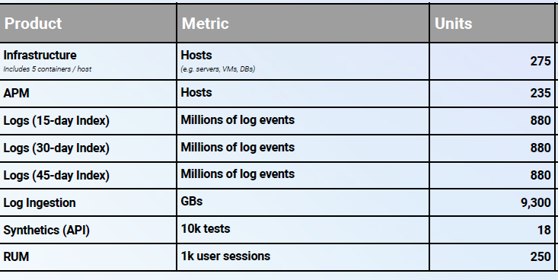
AVG 750 time series per node | 382,500 | TS (NumSeries)
Custom Metrics | 0 | TS (NumSeries) |  | Tracing |  | First account:
Promethues Metrics |  | NumSeries |  | #DIV/0! | Current indexed percentage
 |  |  |  | 0 | Total GB / Day (Ingest)
Tracing |  |  |  | #DIV/0! | Indexed Tracing GB/Day
Avg span size | 2 | KB |  | #DIV/0! | GB Traces Archive
Ingested spans | 0 | GB/Month |  | #DIV/0! | GB Traces Indexed
Indexed spans | 0 | GB/Month
Daily Ingested spans (Bytes) | 0 | GB/Month |  | Totals
 |  |  |  | Logs (GB) | 0
 |  |  |  | Metrics (NS) | 382,505
 |  |  |  | Tracing (GB) | #DIV/0!
 |  |  |  | RUM Sessions
 |  |  |  | RUM Errors | 0

 |  |  |  |  |  | Second account
 |  |  |  | Apply this information to the TCO Calculator

 |  |  |  |  |  |  | 2640
 |  |  |  |  |  |  | 88 | 132

